How VLOOKUP Works
VLOOKUP returns a result based on a lookup value.
Question: What is the price of a Caffe Mocha size Grande?
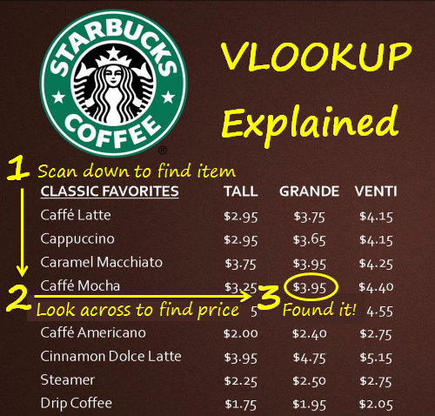
 | The 5 Essentials of VLOOKUP
 | 1. How VLOOKUP works
 | 2. What are the 4 arguments
 | 3. Common myth about sorting
 | 4. Anchor your table array
 | 5. Column index is relative

Always looks to the Right!

Full Article:
http://www.excelcampus.com/functions/excel-vlookup-explained/

VLOOKUP Example
VLOOKUP - Simple Example


CLASSIC FAVORITES | TALL | GRANDE | VENTI
Caffe Latte | $2.95 | $3.75 | $4.15
Cappuccino | $2.95 | $3.65 | $4.15
Caramel Macchiato | $3.75 | $3.95 | $4.25
Caffe Mocha | $3.25 | $3.95 | $4.40
White Chocolate Mocha | $3.45 | $4.15 | $4.55
Caffe Americano | $2.00 | $2.40 | $2.75
Cinnamon Dolce Latte | $3.95 | $4.75 | $5.15
Steamer | $2.25 | $2.50 | $2.75
Drip Coffee | $1.75 | $1.95 | $2.05
Search Column (1) | 2 | 3 | 4
Question: What is the price of a Caffe Mocha, size Grande?

Caffe Mocha | 3.95

VLOOKUP Definition
VLOOKUP Definition

Always looks to the Right!

 | Full Article:
 | http://www.excelcampus.com/functions/excel-vlookup-explained/

VLOOKUP Returns First Match
VLOOKUP - Stops at First Match & Sorting Data

CLASSIC FAVORITES | TALL | GRANDE | VENTI
Caffe Latte | $2.95 | $3.75 | $4.15
Cappuccino | $2.95 | $3.65 | $4.15
Vlookup STOPS when it finds the first match.
White Chocolate Mocha | $3.45 | $4.15 | $4.55
Caffe Mocha | $3.25 | $3.95 | $4.40
Caramel Macchiato | $3.75 | $3.95 | $4.25
Caffe Mocha | $2.25 | $2.50 | $2.75
Sort Ascending is NOT required for EXACT match Vlookup
Cinnamon Dolce Latte | $3.95 | $4.75 | $5.15
Steamer | $2.25 | $2.50 | $2.75
Drip Coffee | $1.75 | $1.95 | $2.05

Question: What is the price of a Caffe Mocha, size Grande?

Caffe Mocha | 3.95

VLOOKUP Sort Order
VLOOKUP - Sort Order for Exact Match

Sort Ascending is NOT required for exact match VLOOKUP
CLASSIC FAVORITES | TALL | GRANDE | VENTI
White Chocolate Mocha | $3.45 | $4.15 | $4.55
Steamer | $2.25 | $2.50 | $2.75
Drip Coffee | $1.75 | $1.95 | $2.05
Cinnamon Dolce Latte | $3.95 | $4.75 | $5.15
Caramel Macchiato | $3.75 | $3.95 | $4.25
Cappuccino | $2.95 | $3.65 | $4.15
Caffe Mocha | $3.25 | $3.95 | $4.40
Caffe Latte | $2.95 | $3.75 | $4.15
Caffe Americano | $2.00 | $2.40 | $2.75

Question: What is the price of a Caffe Mocha, size Grande?

Caffe Mocha | 3.95

VLOOKUP Closest Match
How to Use VLOOKUP to Find the Closest Match (Last Argument is TRUE)

VLOOKUP looks down the column in each cell until it finds a value that is equal to or greater than the lookup value.
 | Lookup Range
 | 5
 | 10
 | 15 | Keeping the lookup range sorted is important when last argument is set to TRUE
 | 20
 | 25

Vlookup Examples | Lookup Value | Vlookup Formulas
Exact Match | 15 | 15
Closest Match | 24 | 20
Closest Match: Greater than last cell | 40 | 25
Error: less than first cell | 4 | #N/A

Commissions Example
How to Use VLOOKUP to Calculate Commissions (Last Argument is TRUE)

Use VLOOKUP to find the sales amount between tiers in the rate table, and return a payout rate.
 | Commission Table
 | Sales Tiers | Tier Minimum | Payout Rate
 | $0-$50,000 | $0 | 5%
 | $50,001-$100,000 | $50,001 | 7%
 | $100,001-$150,000 | $100,001 | 10%
 | $150,001+ | $150,001 | 15%

 |  | Sales Amount | Payout Rate
 | Lookup Value-> | $100 | 5%
Result 7% because $55,000 is less than $100,001 in cell C6.

 | Commission Table
 | Sales Tiers | Tier Minimum | Payout Rate
 | $0-$50,000 | $0 | $100
 | $50,001-$100,000 | $50,001 | $500
 | $100,001-$150,000 | $100,001 | $1,000
 | $150,001+ | $150,001 | $2,000

 |  | Sales Amount | Payout Rate
 | Lookup Value-> | $140,000 | $1,000

Rate Table Setup
First cell in lookup range should be zero, unless rep sells negative amount.
Commission Table
Sales Tiers | Tier Minimum | Payout Rate
$0-$50,000 | $0 | 5%
$50,001-$100,000 | $50,001 | 7%
$100,001-$150,000 | $100,001 | 10%
$150,001+ | $150,001 | 15%
Use minimum amount in each tier range for the lookup range.
The payout rate can be percentages or dollar amounts.

 | Sales Amount | Payout Rate
Lookup Value-> | $55,000 | 7%

